Sheet2
DREAMLAND PUBLICATIONS
LIST OF COMBO PACKS - 2026
 |  |  |  |  | HSN Code (Printed Books) |  | 49011010 | CARTON SIZE FOR BOOKS : 46x30x20 cms
 |  |  |  |  | HSN Code (Colouring & Drawing Books) |  | 49030020 | CARTON SIZE FOR CHARTS : 78x53x16 cms
 |  |  |  |  | HSN Code (Atlases, Maps & Charts) |  | 49059910
TITLE | S.No. | Title | Description | Category | Author | Binding | No. of Pages | Box Qty | Size of Books (cm) | Weight (g) | Year of Publication | Age Group (in years) | HSN Code | Ean Codes | Retial Price IN INR | Qty
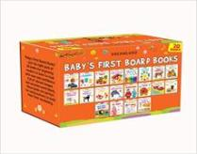 | 1 | Baby's First Board Books (A Pack of 20 Books) | ‘Baby’s First Board Books’- just the right pack of 20 books for beginning readers to learn to read with ease and confidence. Full of vibrant images and accurate word labels, these books are perfect for early learners to build their first vocabulary. | Early Learning | Dreamland Publications | Board Book | 480 | 12 | 13.25 x 20.5 x 9.25 cm | 1750 | 2024 | 0-2 | 49011010 | 9789394767645 | 1800.00
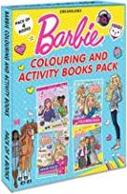 | 7 | Barbie Colouring and Activity Books Pack (A Pack of 4 Books) | ‘Barbie Colouring and Activity Books Pack’ makes a lovely present for kids to enjoy hours of fun with plenty of art activities and colouring pages. This pack of four books designed for little ones helps them improve their hand-eye coordination while learning through play. | Drawing, Painting & Colouring | Dreamland Publications | Paperback | 160 | 20 | 28 x 22 x 1.5 cm | 750 | 2022 | 2-8 | 49030020 | 9789394767775 | 780.00
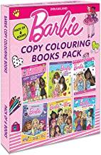 | 8 | Barbie Copy Colouring Books Pack (A Pack of 6 Books) | ‘Barbie Copy Colouring Books Pack’ includes six beautifully designed books full of adorable Barbie Characters. Each books in this pack will let children have the joy of colouring and enhance their focus through creativity. | Drawing, Painting & Colouring | Dreamland Publications | Paperback | 144 | 20 | 28 x 22 x 1.65 cm | 750 | 2022 | 2-8 | 49030020 | 9789394767799 | 750.00
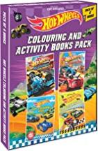 | 9 | Hot Wheels Colouring and Activity Boos Pack ( A Pack of 4 Books) | ‘Hot Wheels Colouring and Activity Books Pack’- This incredible pack of four books offer hours of creative fun. With these books, kids can practice their colouring skills better. They will help kids unleash their artistic potential, boost their creativity, and enhance their observation ability as well as concentration. | Drawing, Painting & Colouring | Dreamland Publications | Paperback | 160 | 18 | 28 x 22 x 1.5 cm | 750 | 2022 | 2-8 | 49030020 | 9789394767737 | 700.00
 | 10 | Lovely Board Books Gift Pack (10 Titles) | Lovely Board Book – a set of ten books, covering topics ABC, NUMBERS, FRUIT, VEGETABLES, VEHICLES, COLOURS, ANIMALS, BIRDS, TOYS & FOODS – Designed for young children, printed on thick paper board. Each page is combined with bright, colourful picture, so a young child would enjoy both words and pictures. The attractive titles invite the young children to touch and feel the rich texture of the books. Every book has metallic printing done on its title which gives it a shining effect. The box is a special pack with metallic printing which can be used a carrying box for the books also. This pack is a perfect gift for a young child | Pre-School Books | Dreamland Publications | Board Book | 240p | 16 | 10.5 x 18.5 x 7.2 cm | 850 | 2024 | 0-2 | 49011010 | 9788184511598 | 900.00
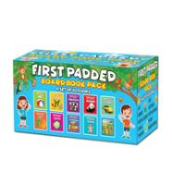 | 11 | First Padded Board Book - Gift Pack (10 Titles) | First Padded Board Book set provides the tiny tots with guidance that helps them to develop their interpretation skills about the things that they see in everyday life around them. | Pre-School Books | Dreamland Publications | Board Book | 240 | 8 | 10 x 9 x 10 cm | 1350 | 2022 | 0-2 | 49011010 | 9788184516319 | 1200.00
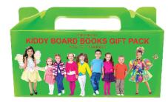 | 12 | Kiddy Board Book - (10 Titles) Pack | Kiddy Board Books- A pack of ten titles covering ABC, Number, Zoo Animals, Manners, Opposites, Action Words, Nursery Rhymes, Words, Body and Colours & Shapes. The set is designed for pre-school children. The glittered title at willingly once takes the first steps towards the world of learning. The books are easy to be handled even by a small child. | Pre-School Books | Dreamland Publications | Board Book | 240p | 16 | 10 x 9 x 7 cm | 850 | 2022 | 0-2 | 49011010 | 9788184516685 | 890.00
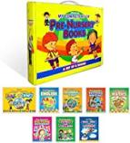 | 13 | My Complete Kit of Pre-Nursery Books- A Set of 8 Books | This series of 8 books for Pre-Nursery is an ideal one to prepare Little-Learners for school. These books have been carefully designed keeping in mind the needs of curious young learners. Colourful pages with activities and simple words will impart knowledge and education to early learners in an amusing way and put their skills into practice. This Pre Nursery Kit has 8 books: Pre-Nursery English, Pre-Nursery Maths, Pre-Nursery EVS, Pre-Nursery Pattern Writing, Pre-Nursery Picture Dictionary, Pre-Nursery Art & Craft, Pre-Nursery Rhymes & Story Book - English, Pre-Nursery Balgeet Evam Kahaniyan - Hindi | Pre School Books | Dreamland Publications | Paperback | 432 | 8 | 28 x 22 x 4 cm | 2000 | 2024 | 3-4 | 49011010 | 9789350897096 | 1550.00
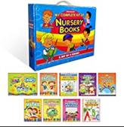 | 14 | My Complete Kit of Nursery Books- A Set of 9 Books | This series of 9 books for Nursery has been carefully prepared with young learners in view. With wonderful colourful pictures and activities on each page young children learn important skills, letters, numbers, printing, drawing and so on in a playful way. This Nursery Kit has 9 books: Nursery English, Nursery Maths, Nursery EVS, Nursery English Practice Book, Nursery Math Practice Book, Nursery Pattern Writing, Nursery Art & Craft, Nursery Rhymes & Story Book - English, Nursery Balgeet Evam Kahaniyan - Hindi | Pre School Books | Dreamland Publications | Paperback | 688 | 6 | 28 x 22 x 5.5 cm | 2500 | 2024 | 3-5 | 49011010 | 9789350897102 | 1960.00
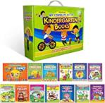 | 15 | My Complete Kit of Kindergarten Books- A Set of 13 Books | This series of 13 books for Kindergarten has been carefully prepared with young learners in view. With wonderful colourful pictures and activities on each page young children learn important skills, letters, numbers, printing, drawing and so on in a playful way. This Kindergarten Kit has 13 titless: Kindergarten Art & Craft, Kindergarten English Assignment, Kindergarten English Work Book, Kindergarten English Practice Book, Kindergarten Maths Assignment, Kindergarten Maths Work Book, Kindergarten Maths Practice Book, Kindergarten Environmental Studies Assign., Kindergarten Environmental Studies W.B., Kindergarten Hindi Work Book, Kindergarten Hindi Practice Book, Kindergarten Rhymes and Story Book, Kindergarten Bal Geet and Story | Pre School Books | Dreamland Publications | Paperback | 1138 | 4 | 28 x 22 x 8.5 cm | 4000 | 2024 | 4-6 | 49011010 | 9789350897119 | 3045.00
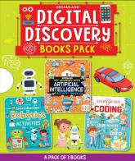 | 16 | Digital Discovery Books Pack-- A Set of 3 Books - Artificial Intelligence, Robotics and Coding | With Fun Facts and Activities for Kids Age 6- 14 Years | Discover the wonders of technology with the ‘Digital Discovery’ set! From robots to coding and artificial intelligence, this set offers engaging activities and experiments that ignite curiosity and inspire creativity in young minds. Join the adventure and embark on a journey of digital exploration today | Interactive & Activity | Dreamland Publications | Paperback | 136 |  | 22 x 28 x 1.7 cm |  | 2024 | 6-14 | 49011010 | 9789358065367 | 540
 | 17 | Kid's 1st Activity Age 3+ - Pack (5 Titles) | This pack is full of fine crafts. Younger children can make beautiful drawing just by joining dots or by using crayons. These books help kids learn important skills, good manners, recognize alphabets, numbers and much more. The educational content of these books enhance the IQ Level of kids when they solve the activities. This Pack contains the following topics: 1. Environment 2. Good Habits 3. IQ 4. Maths 5. English | Interactive & Activity | Gurpreet Kaur | Paperback | 320p | 16 | 28 x 22 x 2.2 cm | 1100 | 2022 | 3-4 | 49011010 | 9788184515879 | 1000.00
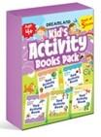 | 18 | Kid's 2nd Activity Age 4+ - Pack (5 Titles) | There is a lot to do with this pack, as young ones solve a wide variety of fun as well as educational activities. Colouring pages, drawing lessons, mix and match, puzzles, mazes and so much more to help young ones learn the basics. This Pack contains the following topics: 1. Environment 2. Good Habits 3. Logical Reasoning 4. Maths 5. English | Interactive & Activity | Shilpa & Shweta | Paperback | 320p | 16 | 28 x 22 x 2.2 cm | 1100 | 2022 | 4-5 | 49011010 | 9788184515886 | 1000.00
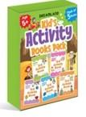 | 19 | Kid's 3rd Activity Age 5+ - Pack (5 Titles) | This series is indeed a treasure house of fun filled moments. Every page of these books is full of entertaining assignments for children 1. The book on “Logic Reasoning” will enhance the IQ level of the child 2. The book on “English” will enhance the child in grasping and understanding about the basic concept of the English language 3. The book on “Maths” will enhance the knowledge of the child and understand the basic concepts. 4. The book on “General Awareness” will help in overall development of the child. 5. The book on “Environment” will help the child in knowing and understanding about Mother Earth Children will find these books interesting by involving themselves in solving mazes, adding colour to the drawings, matching the pairs etc., and will have fun. An attempt has been made not only to entertain but also to simulate the child’s thinking, reasoning and creativity. | Interactive & Activity | Shilpa & Shweta | Paperback | 120p | 16 | 28 x 22 x 2.2 cm | 1100 | 2022 | 5-6 | 49011010 | 9788184515831 | 980.00
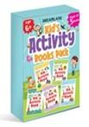 | 20 | Kid's 4th Activity Age 6+ - Pack (5 Titles) | A pack of a wide variety of activities, from puzzles, joining dots, matching numbers, coding-decoding to fun educational activities, colouring and more. These books are an attempt to develop young learners’ thinking reasoning and creativity. This Pack contains the following topics: 1. Environment 2. General Knowledge 3. Logical Reasoning 4. Maths 5. English | Interactive & Activity | Shilpa & Shweta | Paperback | 320p | 16 | 28 x 22 x 2.2 cm | 1100 | 2022 | 6-7 | 49011010 | 9788184515893 | 1000.00
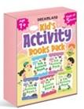 | 21 | Kid's 5th Activity Age 7+ - Pack (5 Titles) | A great activity pack to keep little hands busy. Little ones will find a number of brain-teasers, colouring pages, pencil puzzles, calendar reading, shape collage, matching the pairs and many more educational as well as fun activities that give them a chance to learn with fun. This Pack contains the following topics: 1. Environment 2. General Knowledge 3. Logical Reasoning 4. Science 5. General Knowledge | Interactive & Activity | Shilpa & Shweta | Paperback | 320p | 16 | 28 x 22 x 2.2 cm | 1100 | 2022 | 7-8 | 49011010 | 9788184515909 | 980.00
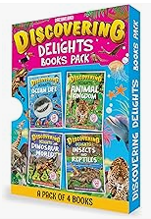 | 22 | Discovering Delights Activity Book Pack for Kids Age 4 -10 years - A Set of 4 Books | Discover the wonders of the world with the ‘Discovering Delights’ pack, featuring four captivating books: Ocean Life, Animal Kingdom, Dinosaur World and Insects and Reptiles. Each book offers a visual feast of collages filled with fascinating facts. Young adventures will love the hidden picture challenges in each fold-out, enhancing their observation skills and knowledge. Dive into this interactive and educational series! | Early Learning | Dreamland Publications | Paperback | 25 | 48 | 22 x 28 x 1 cm | 1000 | 2024 | 4-10 | 49011010 | 9789358062823 | 1000.00
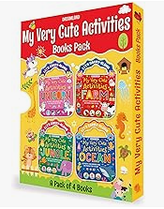 | 23 | My Very Cute Activities & Colouring Books Pack for Kids Age 3-8 years - A Set of 4 Books | Discover the ‘My Very Cute Activities’ pack with Unicorn, Farm, Jungle and Ocean books. Each is filled with engaging activities like colouring, puzzles, and mazes, promising endless educational fun while sparking curiosity and creativity in young minds. | Activity Book | Dreamland Publications | Paperback | 25 | 192 | 22 x 28 x 1 cm | 1000 | 2024 | 3-8 | 49030020 | 9789358069464 | 800.00
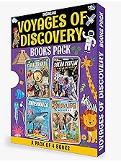 | 24 | Voyages of Discovery Activity Books Pack for Kids Age 5 -10 years - A Set of 4 Books | Embark on epic adventures with the ‘Voyages of Discovery’ pack, featuring four exciting books: Time Travel Adventure, Solar System Exploration, Underwater Expedition, and Wildlife Wonders. Each book offers thrilling explorations, hands-on activities, and intriguing mysteries. Test your wits, overcome obstacles, and uncover mysteries as you journey through these captivating pages! | Activity Book | Dreamland Publications | Paperback | 20 | 256 | 22 x 28 x 1 cm | 1000 | 2024 | 5-10 | 49011010 | 9789358068382 | 1000.00
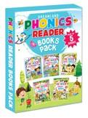 | 25 | Phonics Reader 5 Books Pack | Phonics Reader- a set of five books is a resourceful set of phonetic patterns that has been compiled to create to make children aware of the phonetic sounds. Each book of this set offers a wide range of learning activities represented with pictures to enhance and encourage the young learners. | Early Learning | Dreamland Publications | Paperback | 240 | 16 | 28 x 22 x 3 cm | 2100 | 2024 | 3-10 | 49011010 | 9789389281392 | 1100.00
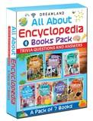 | 26 | Children Encyclopedia Books Pack for Age 5 - 15 Years- All About Trivia Questions and Answers | All about Encyclopedia – Trivia Questions and Answers – vibrantly illustrated series of seven books delves into the field of Animal World, Space and Solar System, The World, Science and Technology, Human Body, Amazing Places, and Nature. Hosting interesting questions that young readers seek answers for, this series of books is a perfect reference to gain knowledge. Each question is presented through fantastic and attractive images. | Reference | Dreamland Publications | Paperback | 448 | 10 | 28 x 22 x 0.5 cm | 2000 | 2024 | 5-15 | 49011010 | 9789386671615 | 1960.00
 | 27 | Minipedia Series (A set of 3 Books) | Dreamland Minipedia Series (A set of 3 Books) Let’s take a whirl around the sun, moon and planets with this amazing “Space and Beyond - Minipedia”. The book features an incredible information to look at the universe, from the sun to the dwarf planets and everything a curious mind craves to know about space. “Animals and Birds - Minipedia” — a comprehensive book imparting essential information for curious minds to follow and find out more about mammals, birds and rodents. The book has amazing facts for featured creatures with information about their habitat, food, breeding and other interesting topics. The human body is an amazing living machine and its study is truly a fascinating subject. Inside your body there are millions of parts working together to keep you healthy and active. The present book – Human Body Minipedia is a concise coverage of how our bodies are built and how they work. Equipped with clear-cut images to illustrate the text, this book is a head to- toe survey of the body that children would enjoy reading. | Reference/ Science & Technology | Dreamland Publications | Paperback | 144 | 20 | 28 x 22 x 3 cm | 700 | 2021 | 5-15 | 49011010 | 9788194311997 | 690.00
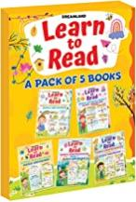 | 28 | Learn to Read- A Pack of 5 Books (Simple Sentences, Simple Phrase Book, Simple Comprehension) | Learn to Read - a pack of five books helps the child to feel confident while reading. These books are designed to give a sound base to early learners’ vocabulary, sentence-making, and phrase-building abilities. The colourful illustrations support the early language given on every page for beginners in reading | Early Learning | Dreamland Publications | Paperback | 120 | 26 | 28 x 22 x 1.3 cm | 250 | 2021 | 4-8 | 49011010 | 9789386671905 | 500.00
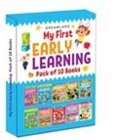 | 29 | My First Early Learning - Pack of 10 Books | ‘My First Early Learning’ – a pack of books on 10 different topics include Alphabet, Numbers, Animals, Birds, Fruit and Vegetables, Vehicles, Colours and Shapes, Parts of Body, Pattern Writing and Activity. This fun and educational pack of books with vibrant cute pictures is the best choice for kids. | Early Learning | Dreamland Publications | Paperback | 160 | 20 | 24 x 18 x 2.5 cm | 600 | 2024 | 2-5 | 49011010 | 9789387177420 | 600.00
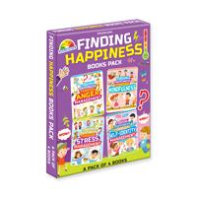 | 30 | Finding Happiness Books Pack- A Pack of 4 Books | ‘Finding Happiness’, this pack of four books is created to help young children learn how to handle stress and anger, bring mindful awareness, and uplift one’s self-identity. Packed with lovely illustrations, interesting activities, and easy-to-understand text matter, this set of books is a must for kids to get rid of distracting thoughts and stay focused. It will serve as a helping tool to keep children mentally and emotionally healthy. | Interactive & Activity | Dreamland Publications | Paperback | 192 | 20 | 28 x 22 x 2.5 cm | 1000 | 2024 | 5-15 | 49011010 | 9789395588881 | 720.00
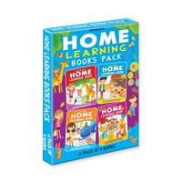 | 31 | Home Learning Books Pack- A Pack of 4 Books | Loaded with joyful yet educative activities ‘Home Learning Book’ - a pack of four books is a building block of early literacy, math skills, and other fine motor skills. This pack of books offers children a regular programme of academic study at home and makes learning a fun experience. Divided into four weeks (five days per week), activities included in these books aim to build a strong foundation and learn best. | Interactive & Activity | Dreamland Publications | Paperback | 352 | 15 | 28 x 22 x 3 cm | 1500 | 2024 | 3-7 | 49011010 | 9789395588928 | 1000.00
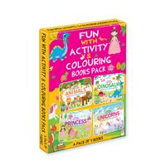 | 32 | Fun with Activity & Colouring Books Pack- A Pack of 4 Books | ‘Fun With Activity and Colouring Books’ - this pack of four books is ideal for young learners. Full of amusing activities showering happiness on each page, these books support learning through play, promote motor skills and concentration, and boost early childhood development. This pack of books is a great gift to unlock the world of colouring fun and familiarise kids with cute animals, dinosaurs, unicorns, and princesses. | Interactive & Activity | Dreamland Publications | Paperback | 256 | 15 | 22 x 28 x 2.5 cm | 1200 | 2024 | 3-10 | 49030020 | 9789395588904 | 800.00
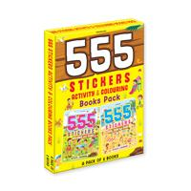 | 33 | 555 Stickers and Activity Books Pack -A Pack of 2 Books | ‘555 Stickers Activity and Colouring Book’ - this wonderful set of two books support learning in a joyful manner. It is a perfect pack for kids who want to colour, count, solve puzzles, and be creative. Filled with many types of activities, stickers to paste, colourful presentation, inspire creativity, and develop fine motor skills, these books make a perfect companion for vacations and leisure time. | Interactive & Activity | Dreamland Publications | Paperback | 112 | 20 | 22 x 28 x 2 cm | 700 | 2024 | 3-10 | 49030020 | 9789395588911 | 600.00
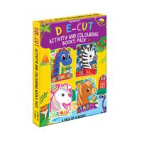 | 34 | Die-cut Activity and Colouring Books Pack- A Pack of 4 Books | ‘Die-cut Activity and Colouring Books’ -a pack of four books, full of interesting activities and adorable pictures is an excellent gift for kids. These amazingly cute books will help reinforce early learning skills and enjoy hours of continuous fun and creativity. This wonderful gift will keep kids busy and entertained. | Interactive & Activity | Dreamland Publications | Paperback | 192 | 20 | 22 x 28 x 2.5 cm | 1000 | 2024 | 2-8 | 49030020 | 9789395588935 | 800.00
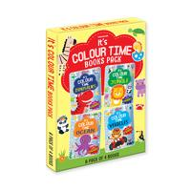 | 35 | It's Colour Time Books Pack- A Pack of 4 Books | For anyone who loves jungle and ocean animals, vehicles, and dinosaurs, ‘It’s Colour Time’ is a beautiful pack of four books for kids. Single-sided pages ready to colour, stickers to paste, and copy their colours to pictures, this pack is a great gift to stimulate kids’ creativity and imagination. It will certainly bring joy and many hours of entertainment to any child who loves to colour. | Drawing, Painting & Colouring | Dreamland Publications | Paperback | 128 | 20 | 22 x 28 x 2.5 cm | 800 | 2024 | 3-7 | 49030020 | 9789395588898 | 800.00
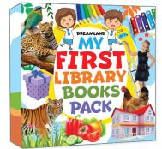 | 36 | My First Library Books Pack | Learning is bound to be fun for little learners with MY FIRST LIBRARY books. This set of six books filled with colour full pictures will definitely encourage children to build a foundation for learning. A wide variety of the most popular preschool topics will enhance their vocabulary and language skills. | Early learning, Pre School | Dreamland Publications | Paperback | 84 | 12 | 28 x 28 x 0.4 cm | 1350 | 2024 | 1-5 | 49011010 | 9789387177130 | 1200.00
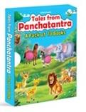 | 37 | Tales from Panchatantra - A Pack of 10 Books | Stories play an important role in the growth and development of children. The Panchatantra is an ancient Indian collection of stories that impart valuable life lessons. ‘Tales from Panchatantra’ – a pack of ten books is one of the best collections of stories to instil the virtues and morals in young learners’ life. It will indeed make a perfect new addition for story time. A quick glance • Best suited for age-group 4-10 years and all story lovers • Storytellers • Reading at bedtime • Read aloud library • Nice and good stories with morals • Friendly language • Bright beautiful illustrations Each story included in these ten books revolves around moral values such as honesty, faithfulness, justice, respect, helping others, etc. These stories will not only keep kids entertained but also influence their delicate minds to follow the righteous path by correct knowledge, values, and habits. | Story book/ Traditional Stories/Early Learning | Dreamland Publications | Paperback | 160 | 28 | 24 x 18 x 2 cm | 550 | 2024 | 4-10 | 49011010 | 9789388416344 | 600.00
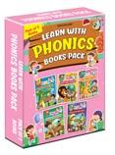 | 38 | Learn With Phonics Book - Pack (5 Titles) | Teaches youngsters the phonetic sounds of each letter and set of letter blends, which is essential for learning to read. | English Language Teaching | Sangita Koushik | Paperback | 480p | 12 | 28 x 22 x 2.6 cm | 1750 | 2022 | 4-10 | 49011010 | 9789350898024 | 1500.00
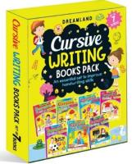 | 39 | Cursive Writing Book - Pack (7 Titles) | Cursive Writing Book- A set of seven books to help the child write clearly and neatly. Extremely helpful in developing. A steady handwriting. | Handwriting Books | Dreamland Publications | Paperback | 224p | 16 | 28 x 22 x 2.2 cm | 850 | 2024 | 3-7 | 49011010 | 9788184518214 | 1050.00
 | 40 | Hindi Sulekh (5 Titles) pack | Hindi Sulekh- fgUnh lqys[k iqLrd ds ik¡p Hkkxksa dk ;g lsV fgUnh ys[ku dks Li”V vkSj lqanj Ckukus esa lgk;d fl) gksXkkA bl lsV esa d [k Xk] ‘kCn Kku] ek=k Kku la;qDr v{kj Kku rFkk okD; Kku ‘kkfey gSA | Handwriting Books | Dreamland Publications | Paperback | 152p | 20 | 28 x 22 x 1.4 cm | 650 | 2022 | 3-8 | 49011010 | 9789350892077 | 580.00
 | 41 | Lines and Curve - Pack (5 Titles) | Lines and Curves- A set of five books meant to increase the sense of accuracy and neatness in the handwriting of the child. This series teaches the child to hold a pencil correctly and develop his/her motor skills. Book 1 introduces the child to pattern writing. Hints are given for the teacher’s help. Book 2 teaches the child how to write capital letters. The stress is on the correct formation than on the end result. After the children are proficient in writing capital letters, they are taught how to write small letters in Book 3. The letters have been categorised according to strokes. Book 4 and 5 introduce a child how to write words as well as sentences. | Handwriting Books | Sadhna Syal | Paperback | 240p | 20 | 28 x 22 x 1 cm | 630 | 2024 | 3-5 | 49011010 | 9788184518221 | 730.00
 | 42 | Number Writing book (4 titles) Pack | Number Writing Book- A set of four books to teach the beginner to write bumbers. 1-10, 1-20, 1-50 and 1-100 in a clear and easy style. | Handwriting Books | Dreamland Publications | Paperback | 168p | 30 | 28 x 22 x 1 cm | 710 | 2022 | 3-5 | 49011010 | 9789350892060 | 640.00
 | 43 | Pattern Writing Books- Pack (7 Titles) | This series has been developed for children in grades K-5, to help them learn and practice legible handwriting. Great for homework or anytime! | Handwriting Books | Dreamland Publications | Paperback | 256p | 16 | 28 x 22 x 1.8 cm | 1100 | 2022 | 3-7 | 49011010 | 9789350898093 | 1040.00
 | 44 | 365 Activity Books pack 3 titles | Supported by colourful illustrations, 365 Activity Book Series is full of excellent activities that are easy yet challenging. The book will strengthen children's basic concept and sharpen their moral skills. This Pack contains the following topics: • Maths • English • Science | Interactive & Activity | Lata Seth & Anuj Chawla | Paperback | 288p | 18 | 28 x 22 x 2 cm | 900 | 2021 | 6-8 | 49011010 | 9789350897737 | 750.00
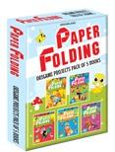 | 45 | Paper Folding - pack (5 Titles) | Creative World of Paper Folding (Origami Projects) – This set of five books is especially designed for tiny tots. A child can fold paper as per the given instructions and can make recognizable model, such as, an animal, a bird, a boat or a hat. Each book contains colourful sheets in a pocket at the end of the book to make a beautiful model. | Interactive & Activity | Dreamland Publications | Paperback | 288p | 12 | 28 x 22 x 2.2 cm | 1000 | 2022 | 4-10 | 49011010 | 9788184515954 | 1060.00
 | 46 | My Book of Art & Craft - Pack (5 Titles) | My Book of Art and Craft- A set of five books to keep the child occupied and busy. Fills the child with a sense of achievement and pride with every creation from this wonderful world of activities. | Interactive & Activity | Dreamland Publications | Paperback | 200p | 20 | 28 x 22 x 0.8 cm | 500 | 2022 | 5-10 | 49011010 | 9788184518153 | 740.00
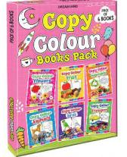 | 47 | Copy Colour Book - 1 to 6 (Pack) | Copy Colour Series- An interesting set of six colouring books providing pictures of Animals, Birds, Flowers, Fruits, Vegetables and Transport for the child to be copied and coloured. Enhances accuracy, eye for detail as well as concentration. | Colouring Books | Dreamland Publications | Paperback | 96p | 30 | 28 x 22 x 1 cm | 420 | 2024 | 3-6 | 49030020 | 9789350892015 | 480.00
 | 48 | Colour With Crayons - 1 to 5 (Pack) | Colour With Crayons Series- A set of five colouring books to introduce the child to the world of colours and objects. An engaging activity for the restless and fun loving child. | Colouring Books | Dreamland Publications | Paperback | 80p | 36 | 28 x 22 x 1 cm | 350 | 2024 | 3-6 | 49030020 | 9789350892022 | 400.00
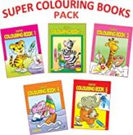 | 49 | Super Colouring book (5 titles) pack | Super Colouring Books- This set of five books is an excellent package to keep the child occupied with colours and pictures in a rather creative manner. Each book contains 16 pages of vivid and easy to colour pictures. | Dreamland Publications | Paperback | English | 80p | 36 | 28 x 22 x 1 cm | 350 | 2022 | 3-6 | 49030020 | 9789350890622 | 400.00
 | 50 | 101 Activity Books - (A set of 4 Books) | Dreamland 101 Activities- a set of four books. Each book of this series contains more than 100 activities with an aim to make children think and lean to develop logic, visual and motor skills. | Interactive & Activity | Dreamland Publications | Paperback | 336 | 16 | 28 x 22 x 2 cm | 1000 | 2024 | 4-6 | 49011010 | 9788194311928 | 1030.00
 | 51 | 365 Facts Series - (A set of 3 Books) | The world is full of fascinating facts. 365 Facts – a set of three books that cover the topics – Animals and Birds, Space and Around the World. Each book is specially designed for children with easy-to-understand text supported by beautiful colourful images. This set of books is a great help for schoolwork and projects that imparts wonderful interesting knowledge and information. | Reference/ Science & Technology | Dreamland Publications | Paperback | 240 | 16 | 28 x 22 x 3 cm | 1000 | 2024 | 6-8 | 49011010 | 9788194311942 | 1150.00
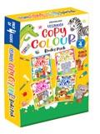 | 52 | Ultimate Copy Colour Books - (4 Titles) | Colouring gives children an opportunity to express their creative side. Though simple, it is one of the most favourite pastime activity of kids. This new series ‘Dreamland Ultimate Copy Colour’ – a set of four books is meant to spark the imagination of children and develop their hand and eye co-ordination. | Colouring Book | Dreamland Publications | Paperback | 320 | 16 | 28 x 22 x 1.5 cm | 1000 | 2024 | 4-6 | 49030020 | 9789350898819 | 800.00
 | 53 | Very First Sentence Books - (3 Titles) | Dreamland Very First Sentence Books - (3 Titles) Very First Sentences Book – a book that helps a child read the most frequently used words that are provided in the early first grade and set them into short easy-reading sentences. Presented in a very attractive and child-friendly manner, this book will become the best companion of every little learner. Very First Sight Words and Sentences – a set of two books suitable for children aged 4+. Sight words are those words that are most commonly used in speech and writing. This set is supported with colourful pictures and simple sentences that help kids spot the sight words and build confidence with early literacy skills. | Early Learning | Dreamland Publications | Paperback | 168 | 26 | 28 x 22 x 2 cm | 630 | 2024 | 4-8 | 49011010 | 9789386671097 | 600.00
 | 54 | Extreme Copy Colour Series - (4 Titles) | Dreamland Extreme Copy Colour Series - (4 Titles) —A wonderful series of four amazing books. These books impart an outstanding mechanism of colouring and make you understand colour combinations. Each book contains beautiful designs to colour that will keep you entertained for hours. Great for anyone who needs to de-stress and loves to colour. | Interactive & Activity | Dreamland Publications | Paperback | 128 | 32 | 28 x 22 x 1.5 cm | 560 | 2024 |  | 49030020 | 9789386671608 | 600.00
 | 55 | Creative Doodle Colouring Books - (2 Titles) | Colouring is a creative and novel way to relax. Dreamland Creative Doodle Colouring Books - (2 Titles)- contain unique designs for adults to colour in. A perfect mood boosting book that will spark your imagination and help you have hours of fun. Pick up your choice of colouring tool, get started, enjoy the soothing art and relax. | Colouring Book | Dreamland Publications | Paperback | 128 | 30 | 28 x 22 x 1.5 cm | 520 | 2024 |  | 49030020 | 9789388371629 | 500.00
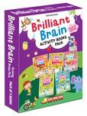 | 56 | Brilliant Brain Activity Books - 5 Titles) | This series of five books contains short mental exercise that will help children make new neural pathways and have fun with child – centric themes. | Interactive & Activity | Dreamland Publications | Paperback | 432 | 14 | 28 x 22 x 0.4 cm | 1300 | 2024 | 3-8 | 49011010 | 9789350896679 | 1400.00
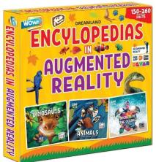 | 57 | Wow Encyclopaedia In Augmented Reality Series (A set of 3 Books) | Dreamland Wow Encyclopaedia In Augmented Reality Series (A set of 3 Books) You are holding a very unusual book. It will take you to the past. You will meet the most ancient and mysterious animals that ever lived: dinosaurs! Learn how they evolved and disappeared, why not all ancient lizards are dinosaurs, and get acquainted with the most famous palaeontologists. It’s not magic. Not even alien technology. This is special technology called augmented reality. Face it, you can’t wait to try it, can you? Then let’s go! Just download the free DEVAR app to your smartphone or tablet, activate the book, and become the hero of a new and exciting adventure. The story begins right now. | Reference/Science, Nature & Technology | Dreamland Publications | Paperback | 192 | 10 | 28 x 28 x 2.5 cm | 1500 | 2024 | 6-14 | 49011010 | 9788194311959 | 1150.00
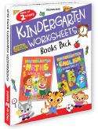 | 58 | Kindergarten Worksheets (A Set of 2 Books) | Dreamland Kindergarten Worksheets (A Set of 2 Books)– a series that will make the learning easier for early learners. The book contains more than 100 illustration based activities including maze puzzles, dot-to-dot puzzles and brainstorming worksheets that attract the focus of every child enhancing their logical skills and problem-solving abilities. | Early Learning | Dreamland Publications | Paperback | 208 | 26 | 28 x 22 x 1.5 cm | 700 | 2024 | 4-5 | 49011010 | 9788194311966 | 600.00
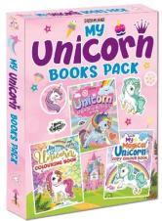 | 59 | My Unicorn Books Pack - Unicorn Sticker and Activity Book, Copy Colour and Colouring Books | Meet the unicorn, a mythical creature associated with dreams, hopes and happiness. This beautiful pack of three books that include colouring, stickers, and activity is a perfect gift to keep little hand entertained for hours and stimulate their creativity and imagination. | Interactive & Activity | Dreamland Publications | Paperback | 184 | 20 | 28 x 22 x 2 cm | 800 | 2024 | 3-8 | 49011010 | 9789389281736 | 660.00
 | 60 | Look and Find Series (A set of 4 Books) | Dreamland Look and Find is a series of 4 books, each packed with the ultimate fun pictures. Each book has bustling scenes, with lots to look for, find and count. This series aims to give the young readers an opportunity to sharpen their observational skills and introduces them to various words along with way. A perfect entertaining series for use at home or on the move will keep the children engaged as they explore the fun activities. | Interactive & Activity | Dreamland Publications | Paperback | 96 | 44 | 28 x 22 x 2 cm | 500 | 2021 | 4-10 | 49011010 | 9788194311973 | 420.00
 | 61 | Nursery Worksheets (A set of 2 Books) | Dreamland Nursery Worksheets (A set of 2 Books) – a series that will make the learning easier for early learners. The book contains more than 100 illustration based activities including maze puzzles, dot-to-dot puzzles and brainstorming worksheets that attract the focus of every child enhancing their logical skills and problem-solving abilities. | Early Learning | Dreamland Publications | Paperback | 216 | 26 | 28 x 22 x 1.5 cm | 700 | 2024 | 3-4 | 49011010 | 9789350893012 | 600.00
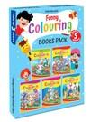 | 62 | Funny Colouring Books - (5 Titles) | Dreamland Funny Colouring Books - (5 Titles) keep up the interest of small children who always get attracted to things of amusement. | Colouring Book | Dreamland Publications | Paperback | 160 | 26 | 28 x 22 x 1.5 cm | 500 | 2021 | 3-6 | 49030020 | 9789388371650 | 520.00
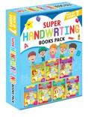 | 63 | Super Handwriting Books Pack - (7 Titles) | These book aim to tech, 'How to write each letter of alphabet, ' combining letter to make words,’ combining words to make sentence with easy to -follow direction. This series is a useful and effective teaching tool to start on learning the v=basic writing skills needed for success in school. | Early Learning | Dreamland Publications | Paperback | 448 | 12 | 28 x 22 x 1.5 cm | 1500 | 2024 | 3-6 | 49011010 | 9789388371667 | 1380.00
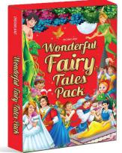 | 64 | Wonderful Fairy Tales Pack (A Set of 10 Titles) | Fairy Tales always delight children. This wonderful collection of ten fairy tales retold in simplified language on large print format adorned with captivating illustrations make it more interesting for young readers. | Story Book | Dreamland Publications | Paperback | 160 | 20 | 24 x 17.7 x 1.5 cm | 500 | 2024 | 3-8 | 49011010 | 9789386671080 | 600.00
 | 65 | Sticker Activity Book - Pack (5 Titles) | Kids love to play with stickers. Each book of this pack has variety of stickers. Fun packed yet educative books improve the artistic and imaginary skills of young minds. | Interactive & Activity | Dreamland Publications | Paperback | 80p | 26 | 28 x 22 x 1.4 cm | 450 | 2022 | 4-7 | 49011010 | 9789350898147 | 750.00
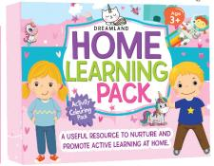 | 66 | Home Learning Pack Age 3+ | It is well-planned and carefully organised set of seven books for primary classes to support learning at home. | Early learning, Pre School | Dreamland Publications | Paperback | 440 | 10 | 28 x 22 x 0.4 cm | 1750 | 2024 | 3-4 | 49011010 | 9789387177116 | 1300.00
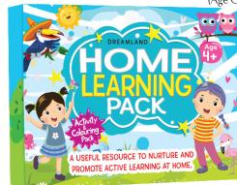 | 67 | Home Learning Pack Age 4+ | It is well-planned and carefully organised set of seven books for primary classes to support learning at home. | Early learning, Pre School | Dreamland Publications | Paperback | 408 | 10 | 28 x 22 x 0.4 cm | 1800 | 2024 | 4-5 | 49011010 | 9789387177123 | 1300.00
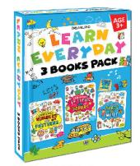 | 68 | Learn Everyday 3 Books Pack for Children Age 3+ | ‘Learn Everyday’ – an exciting and dynamic series of 3 books catering the age-group of 3+ offers challenging and motivating activities. Supported by bright illustrations and images these books are fun as well as educational. | Interactive & Activity | Dreamland Publications | Paperback | 216 | 24 | 28 x 22 x 1.2 cm | 900 | 2024 | 3-4 | 49011010 | 9789387177475 | 750.00
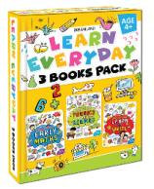 | 69 | Learn Everyday 3 Books Pack for Children Age 4+ | ‘Learn Everyday’ – an exciting and dynamic series of 3 books catering the age-group of 4+ offers challenging and motivating activities. Supported by bright illustrations and images these books are fun as well as educational. | Interactive & Activity | Dreamland Publications | Paperback | 216 | 24 | 28 x 22 x 1.2 cm | 900 | 2024 | 4-5 | 49011010 | 9789387177482 | 750.00
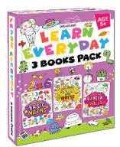 | 70 | Learn Everyday 3 Books Pack for Children Age 5+ | ‘Learn Everyday’ – an exciting and dynamic series of 3 books catering the age-group of 5+ offers challenging and motivating activities. Supported by bright illustrations and images these books are fun as well as educational. | Interactive & Activity | Dreamland Publications | Paperback | 216 | 24 | 28 x 22 x 1.2 cm | 900 | 2024 | 5-6 | 49011010 | 9789388416092 | 750.00
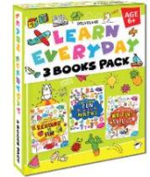 | 71 | Learn Everyday 3 Books Pack for Children Age 6+ | ‘Learn Everyday’ – an exciting and dynamic series of 3 books catering the age-group of 6+ offers challenging and motivating activities. Supported by bright illustrations and images these books are fun as well as educational. | Interactive & Activity | Dreamland Publications | Paperback | 216 | 24 | 28 x 22 x 1.2 cm | 900 | 2024 | 6-7 | 49011010 | 9789388416108 | 750.00
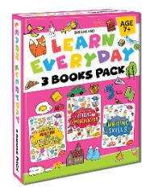 | 72 | Learn Everyday 3 Books Pack for Children Age 7+ | ‘Learn Everyday’ – an exciting and dynamic series of 3 books catering the age-group of 7+ offers challenging and motivating activities. Supported by bright illustrations and images these books are fun as well as educational. | Interactive & Activity | Dreamland Publications | Paperback | 216 | 24 | 28 x 22 x 1.2 cm | 900 | 2024 | 7-8 | 49011010 | 9789388416290 | 750.00
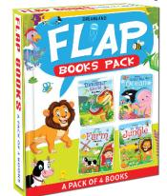 | 73 | Flap Books Combo Pack- 4 Books | An entertaining and informative set of four books- Flap Book comes with bright, colourful pictures and a catchy fact. Young learners will explore the animal world and fall in love with each page as they continue to lift the flaps. | Interactive & Activity | Dreamland Publications | Paperback | 40 | 22 | 29.5 x 21 x 1.2 cm | 1000 | 2024 | 3-6 | 49011010 | 9789387177437 | 800.00
 | 74 | Flash Cards Pack- Alphabet, Numbers, Addition and Subtraction, Activity, 120 Flash Cards with Free Pen | 30 uniquely designed double-sided wipe-clean flash cards with a free pen to support early learning. Bright colourful images make them a lot more interesting. | Early Learning | Dreamland Publications | Card Binding | 120 | 6 | 20.5 x 14.5 x 13 cm | 1000 | 2024 | 2-4 | 49019900 | 9789388416535 | 1200.00
 | 75 | Write and Wipe Books- Pack (10 Titles) | An ideal pack that enhances early childhood education. These books come with wipe-clean pen and can be used over and over again. | Handwriting Books | Dreamland Publications | Paperback | 160 | 6 | 28 x 22 x 4 cm | 1600 | 2024 | 2-5 | 49011010 | 9789394767652 | 1600.00
 | 76 | Fun with Dot to Dot - Pack (5 titles) | Fun with Dot to Dot- Pictures emerge as the child joins dot to dot and is wonderstruck at the magic that emerges. The joy increases when the picture is coloured and the child finds out what was hidden behind the dots. | Interactive & Activity | Dreamland Publications | Paperback | 160p | 24 | 28 x 22 x 1 cm | 500 | 2021 | 3-5 | 49011010 | 9788184518122 | 660.00
 | 77 | Find the Words - Pack (5 Titles) | Find the Words- A set of five books with small cross words to increase the vocabulary as well as the concentration of the child. An excellent way to keep the child occupied constructively. | Interactive & Activity | Dreamland Publications | Paperback | 160p | 24 | 28 x 22 x 1.2 cm | 500 | 2022 | 5-10 | 49011010 | 9788184518139 | 500.00
 | 78 | My Best Colouring - pack (5 titles) | My Best Colouring Book 1 – 5 is crammed with great artworks to encourage children to use their colouring concepts. A perfect set for children to enjoy with colours and develop eye-hand coordination. | Colouring Books | Dreamland Publications | Paperback | 160p | 26 | 28 x 22 x 1 cm | 650 | 2022 | 3-6 | 49030020 | 9788184515985 | 700.00
 | 79 | My New Colouring Book - Pack (5 Titles) | My New Colouring Book- A set of five books to colour and enjoy. A set of five books to colour and watch the magic of colours make the pictures come alive. A worthwhile and creative activity for the restless young mind. | Colouring Books | Dreamland Publications | Paperback | 160p | 26 | 28 x 22 x 1.4 cm | 600 | 2021 | 3-6 | 49030020 | 9788184518184 | 710.00
 | 80 | Creative Colouring book - 10 titles (Pack) | Creative Colouring Book- The new set of colouring books contains ten brilliant books of 16 pages each, providing the child an immensely satisfying experience of colouring with self-chosen colours. This set provides the child with an wide array of topics to colour from, such as ABC, Vegetables, Fruit, Toys, Games, Animals, Dinosaurs, Water Animals, Good Manners and Nursery Rhymes. | Colouring Books | Dreamland Publications | Paperback | 160p | 18 | 28 x 22 x 1.8 cm | 700 | 2024 | 3-7 | 49030020 | 9789350892039 | 800.00
 | 81 | STEM Activity Books Pack (A set of 4 Books) | Dreamland ‘STEM’ – Science, Technology, Engineering and Math Activity Books are perfect for children ages 7-12 that will help them discover more about these subjects. Each page of the book is supported by the simple explanations, reading which little learners will know more about each topic and do the activities while playing like a kid. | Interactive & Activity | Dreamland Publications | Paperback | 256 | 18 | 28 x 22 x 2 cm | 900 | 2024 | 9-15 | 49011010 | 9789350898611 | 800.00
 | 82 | Bumper Colouring Books - (4 Titles) | Dreamland Bumper Colouring Books - (4 Titles) enable children to be more creative while colouring different pictures. | Colouring Book | Dreamland Publications | Paperback | 384 | 14 | 28 x 22 x 1.5 cm | 1200 | 2021 | 3-6 | 49030020 | 9789388371636 | 720.00
 | 83 | Brain Games Series (A set of 4 Books) | ‘Brain Games’ is a unique series which is specially designed to capture the curious and creative instincts of the children between 3 to 7 years age group. This series comes with a set of 4 books, each to engage the mind of the children through an array of interesting puzzles, innovative activities and smart tasks to enable their holistic learning. Engage and empower your children with these series and see them learning like never before! | Activity Books | Dreamland Publications | Paperback | 352 | 16 | 28 x 22 x 2 cm | 1100 | 2024 | 3-7 | 49011010 | 9788194655091 | 1120.00
 | 84 | Fancy Story Board Books - (10 Titles) | Dreamland Fancy Story Board Books - (10 Titles) - A beautiful classic series presented with magical illustrations that bring a child’s imagination to life. The simple language make the story pleasure to read. | Story Books | Dreamland Publications | Board Book | 120 | 6 | 24 x 18 x 0.4 cm | 2000 | 2024 | 3-8 | 49011010 | 9789386671530 | 1700.00
 | 85 | Wonderful Story Board Book Series - (10 Titles) | Beautiful illustrations with an appealing die-cut presentation each story of this series is presented in an easy-to-understand language that children will love reading. | Story Books | Dreamland Publications | Board Book | 120 | 6 | 24 x 18 x 0.4 cm | 2000 | 2021 | 3-8 | 49011010 | 9789386671547 | 1700.00
 | 86 | Uncle Moon's Fairy Tales- Pack (30 Titles) | This charming collection of best-known fairy tales presented with magical illustrations that bring a child’s imagination to life. The simple language makes the tales pleasure to read. | Story Books | Dreamland Publications | Paperback | 480p | 8 | 28 x 22 x 1.5 cm | 3000 | 2024 | 2-6 | 49011010 | 9789350898048 | 2700.00
 | 87 | My Activity Series- (15 Titles) | Dreamland My Activity Series- (15 Titles)— A perfect set of 15 books to educate and entertain young learners with age-appropriate activities. Each book has activities that make learning fun and teach basic skills of writing letters and numbers, phonics and reading, drawing and colouring, finding differences and more! | Interactive & Activity | Dreamland Publications | Paperback | 480 | 8 | 28 x 22 x 10 cm | 2000 | 2021 | 3-7 | 49011010 | 9789386671561 | 2140.00
 | 88 | Pop- Out Books Pack- 5 Books | This unique set of five books packed with a big pop-out has five different themes- At the Farm, Dinosaur World, Princess Garden, In the Space and Under the Ocean. Designed for kids to colour in, adorn it with stickers and place models to create their frame-worthy masterpieces for display on wall. These books will keep the creative little artists entertained for hours! | Interactive & Activity | Dreamland Publications | Paperback | 5 | 20 | 28 x 22 x 1.5 cm | 1750 | 2024 | 4-10 | 49011010 | 9789387177444 | 800.00
 | 89 | Fluency Sentences Books Pack- 4 Books | ‘Fluency Sentences’ is a set of four books that include words and sentences heard often. This fun reading set of books aims to help kids improve their vocabulary, language skills and become efficient readers. Perfect for young learners, these books will take kids into the amazing world of reading and writing. | Early Learning | Dreamland Publications | Paperback | 256 | 15 | 28 x 22 x 1.6 cm | 1000 | 2024 | 4-8 | 49011010 | 9789388416542 | 1025.00
 | 90 | Make A Pretty Face and Nail Art, Hair Style Pack- 2 Books | ‘Make a Pretty Face’ is a great gift for cute little children. This beautiful colouring and sticker activity book is perfect for kids to inspire their creative side. It is indeed a book is for honing makeup artistry and building confidence. ‘Nail Art and Hair Style’ is an outstanding colouring and sticker activity book. This fun and engaging book is filled with cute faces, clean nails, hair styles to adorn with colours and stickers. | Interactive & Activity | Dreamland Publications | Paperback | 88 | 40 | 28 x 22 x 0.5 cm | 500 | 2024 | 5-15 | 49011010 | 9789387177468 | 400.00
 | 91 | Dolch Sight Words Books Pack- 4 Books | Dolch Sight Words are the most commonly used English words. This series is a set of four books to teach kids first sight words in a fun and engaging way. The activities in these books will help kids read, say, and write each word, then use it in a sentence. Colourfully illustrated books will help new readers strengthen their spelling skills and reading fluency. | Early Learning | Dreamland Publications | Paperback | 256 | 20 | 28 x 22 x 1.6 cm | 1000 | 2024 | 4-8 | 49011010 | 9789388416559 | 800.00
 | 92 | Baby First pre-school (8 Titles) Pack | Baby First Pre-school Pack- A set of eight books, in paperback of 16 pages each consists of ABC Book, ABC Writing, Number Book, Writing 123, Tables, Fruit Book, Vegetable Book and Animals Book. The bright colourful pictures of the related topic speak for themselves and the curious childs is encouraged to learn more and more about the world around him. | Pre-School Books | Dreamland Publications | Paperback | 128p | 30 | 24 x 18 x 2 cm | 600 | 2022 | 3-5 | 49011010 | 9789350892121 | 580.00
 | 93 | Introduction to Coding and Robotics, 2 Books Pack | Robots are automatic machines operated by computer programs that can perform small actions. The field in which we study robots is known as ‘Robotics’ ‘Introduction to Robotics’ is a book full of entertaining activities that include mazes, word searches, drawing, spellings, connect-the-dots and more. This book will help children learn about basic robots components and how they are used for various different purposes. Coding is an art. Kids love mysteries and secret messages written in code. ‘Introduction to Coding’ offers plenty of fun spy puzzles, mazes, secret codes that will keep the children challenged and entertained from start to finish. | Early Learning | Dreamland Publications | Paperback | 88 | 50 | 28 x 22 x 1 cm | 300 | 2024 | 5-15 | 49011010 | 9789387177451 | 340.00
 | 94 | Super Word Search Part - Pack (16 Titles) | These books provide hours of challenging fun for all ages and ability level. One can spend hours working with these books and that is so good for one's brain development and intellectual activity. | Interactive & Activity | Dreamland Publications | Paperback | 3072p | 4 | 21 x 14.5 x 4 cm | 2000 | 2022 | 7-15 | 49011010 | 9789350898062 | 2400.00
 | 95 | Rejuvenate Yourself - Pack (4 Titles) | De-stress yourself by simply colouring the pages. This new concept is helping people throughout the world and we are trying to achieve the same with our series. | Adult Colouring Book | Dreamland Publications | Paperback | 256 | 16 | 28 x 22 x 2.5 cm | 1060 | 2022 |  | 49030020 | 9789350891162 | 800.00
...

