Sheet1
DREAMLAND PUBLICATIONS 2025 JIGSAW PUZZLES, FLASH CARDS, ULTIMATE FUN BOOKS, MAGIC WATER COLOURING BOOKS
 |  |  |  | CARTON SIZE FOR PUZZLES & CARDS : 46x30x20 cms

TITLE | S.No. | Title | Description | Long Description | Category | Manufactured by | BOX | No. of | Size | Weight | Manufacturing | Age Group | HSN | Tax | ISBN | Price | Qty
 |  |  |  |  |  |  | QTY | puzzle pieces | of Box | (in gm) | Year | (in years) | Code |  |  | IN INR
 | JIGSAW PUZZLES
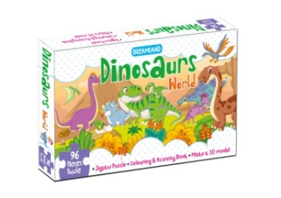 | 1 | Dinosaurs World Jigsaw Puzzle for Kids – 96 Pcs | With Colouring & Activity Book and 3D Model | Designed for kids to play and enjoy, this puzzle box comes with 96 pieces of durable, high-quality Jigsaw Puzzles, a Colouring and Activity book and a sheet to colour and create a 3-D Model. It is perfect learning tool to enrich kids' cognition, concentration and creative skills while enchancing their intelligence and self-confidence. | In this box – 96 pieces of Jigsaw Puzzle for kids, a colourful sheet featuring complete artwork for reference, a Colouring and Activity Book, and a sheet to colour and create a 3-D Model. Safe and Good Quality – These puzzle pieces are precisely cut out with good-quality paperboard. Each piece of this puzzle is thick and sturdy which can make it fit together perfectly. Educational Tool – Colouring and Activity Book, and a sheet to colour and create a 3-D model included in this box are perfect to enrich kids’ creativity while enhancing their intelligence and self-confidence. A Fun Companion – Providing kids hours of creative fun as they complete the jigsaw puzzle, colour, or create a 3-D model, this product is a fun companion for children to grow up. Great Gift for Kids – This puzzle box makes an exceptional gift for kids. It is a great alternative to screen time that aims to promote kids’ various abilities such as hand-eye coordination, imagination, logical thinking, goal setting, observational skills, patience, and cognition. Made in India, BIS Approved Product | Toys & Games | Dreamland Publications | 16 | 96 | 28 cm X 17 cm X 4.8 cm | 450 | 2022 | 4+ | 95036090 | 5% | 9788194136880 | 500.00
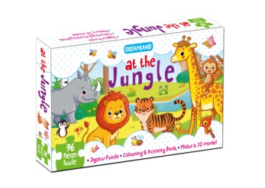 | 2 | At the Jungle Jigsaw Puzzle for Kids – 96 Pcs | With Colouring & Activity Book and 3D Model | Designed for kids to play and enjoy, this puzzle box comes with 96 pieces of durable, high-quality Jigsaw Puzzles, a Colouring and Activity book and a sheet to colour and create a 3-D Model. It is perfect learning tool to enrich kids' cognition, concentration and creative skills while enchancing their intelligence and self-confidence. | In this box – 96 pieces of Jigsaw Puzzle for kids, a colourful sheet featuring complete artwork for reference, a Colouring and Activity Book, and a sheet to colour and create a 3-D Model. Safe and Good Quality – These puzzle pieces are precisely cut out with good-quality paperboard. Each piece of this puzzle is thick and sturdy which can make it fit together perfectly. Educational Tool – Colouring and Activity Book, and a sheet to colour and create a 3-D model included in this box are perfect to enrich kids’ creativity while enhancing their intelligence and self-confidence. A Fun Companion – Providing kids hours of creative fun as they complete the jigsaw puzzle, colour, or create a 3-D model, this product is a fun companion for children to grow up. Great Gift for Kids – This puzzle box makes an exceptional gift for kids. It is a great alternative to screen time that aims to promote kids’ various abilities such as hand-eye coordination, imagination, logical thinking, goal setting, observational skills, patience, and cognition. Made in India, BIS Approved Product | Toys & Games | Dreamland Publications | 16 | 96 | 28 cm X 17 cm X 4.8 cm | 450 | 2022 | 4+ | 95036090 | 5% | 9788194136897 | 500.00
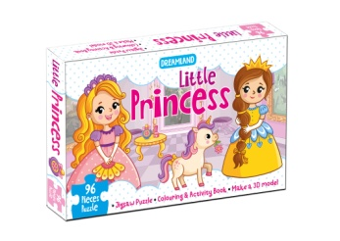 | 3 | Little Princess Jigsaw Puzzle for Kids – 96 Pcs | With Colouring & Activity Book and 3D Model | Designed for kids to play and enjoy, this puzzle box comes with 96 pieces of durable, high-quality Jigsaw Puzzles, a Colouring and Activity book and a sheet to colour and create a 3-D Model. It is perfect learning tool to enrich kids' cognition, concentration and creative skills while enchancing their intelligence and self-confidence. | In this box – 96 pieces of Jigsaw Puzzle for kids, a colourful sheet featuring complete artwork for reference, a Colouring and Activity Book, and a sheet to colour and create a 3-D Model. Safe and Good Quality – These puzzle pieces are precisely cut out with good-quality paperboard. Each piece of this puzzle is thick and sturdy which can make it fit together perfectly. Educational Tool – Colouring and Activity Book, and a sheet to colour and create a 3-D model included in this box are perfect to enrich kids’ creativity while enhancing their intelligence and self-confidence. A Fun Companion – Providing kids hours of creative fun as they complete the jigsaw puzzle, colour, or create a 3-D model, this product is a fun companion for children to grow up. Great Gift for Kids – This puzzle box makes an exceptional gift for kids. It is a great alternative to screen time that aims to promote kids’ various abilities such as hand-eye coordination, imagination, logical thinking, goal setting, observational skills, patience, and cognition. Made in India, BIS Approved Product | Toys & Games | Dreamland Publications | 16 | 96 | 28 cm X 17 cm X 4.8 cm | 450 | 2022 | 4+ | 95036090 | 5% | 9789388416405 | 500.00
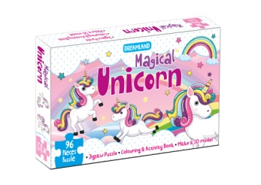 | 4 | Magical Unicorn Jigsaw Puzzle for Kids – 96 Pcs | With Colouring & Activity Book and 3D Model | Designed for kids to play and enjoy, this puzzle box comes with 96 pieces of durable, high-quality Jigsaw Puzzles, a Colouring and Activity book and a sheet to colour and create a 3-D Model. It is perfect learning tool to enrich kids' cognition, concentration and creative skills while enchancing their intelligence and self-confidence. | In this box – 96 pieces of Jigsaw Puzzle for kids, a colourful sheet featuring complete artwork for reference, a Colouring and Activity Book, and a sheet to colour and create a 3-D Model. Safe and Good Quality – These puzzle pieces are precisely cut out with good-quality paperboard. Each piece of this puzzle is thick and sturdy which can make it fit together perfectly. Educational Tool – Colouring and Activity Book, and a sheet to colour and create a 3-D model included in this box are perfect to enrich kids’ creativity while enhancing their intelligence and self-confidence. A Fun Companion – Providing kids hours of creative fun as they complete the jigsaw puzzle, colour, or create a 3-D model, this product is a fun companion for children to grow up. Great Gift for Kids – This puzzle box makes an exceptional gift for kids. It is a great alternative to screen time that aims to promote kids’ various abilities such as hand-eye coordination, imagination, logical thinking, goal setting, observational skills, patience, and cognition. Made in India, BIS Approved Product | Toys & Games | Dreamland Publications | 16 | 96 | 28 cm X 17 cm X 4.8 cm | 450 | 2022 | 4+ | 95036090 | 5% | 9789388416412 | 500.00
 | FLASH CARDS
 | 1 | Flash Cards Alphabet - 30 Double Sided Wipe Clean Flash Cards for Kids (With Free Pen) | 30 uniquely designed double-sided wipe-clean flash cards with a free pen to support early learning. Bright colourful images make them a lot more interesting. | Early Learning | Dreamland Publications | Flash Cards | 20 | 30 | 20.5 x 14.5 x 3.25 cm | 250 | 2022 | 2 - 4 | 49019900 | 5% | 9789388416009 | 300.00
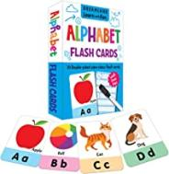 | 2 | Flash Cards Numbers - 30 Double Sided Wipe Clean Flash Cards for Kids (With Free Pen) | 30 uniquely designed double-sided wipe-clean flash cards with a free pen to support early learning. Bright colourful images make them a lot more interesting. | Early Learning | Dreamland Publications | Flash Cards | 20 | 30 | 20.5 x 14.5 x 3.25 cm | 250 | 2022 | 2 - 4 | 49019900 | 5% | 9789388416023 | 300.00
 | 3 | Flash Cards Addition and Subtraction - 30 Double Sided Wipe Clean Flash Cards for Kids (With Free Pen) | 30 uniquely designed double-sided wipe-clean flash cards with a free pen to support early learning. Bright colourful images make them a lot more interesting. | Early Learning | Dreamland Publications | Flash Cards | 20 | 30 | 20.5 x 14.5 x 3.25 cm | 250 | 2022 | 2 - 4 | 49019900 | 5% | 9789388416030 | 300.00
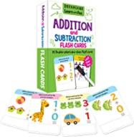 | 4 | Flash Cards Activity - 30 Double Sided Wipe Clean Flash Cards for Kids (With Free Pen) | 30 uniquely designed double-sided wipe-clean flash cards with a free pen to support early learning. Bright colourful images make them a lot more interesting. | Early Learning | Dreamland Publications | Flash Cards | 20 | 30 | 20.5 x 14.5 x 3.25 cm | 250 | 2022 | 2 - 4 | 49019900 | 5% | 9789388416047 | 300.00
 | MY ULTIMATE COLOURING FUN
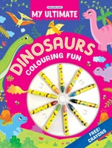
 | 1 | My Ultimate Dinosaur Colouring Fun Book | Ultimate Colouring Book- Dinosaur' is a beautifully designed book for kids having fabulous illustrations to colour in. Perfect for enhancing coordination, this book will provide children with hours of wonderfu and ultimate fun. | Colouring Book | Dreamland Publications | Paperback | 32 | 24 | 28 x 22 x 0.7 cm | 200 | 2023 | 3+ | 49030020 | 0% | 9789395406239 | 200.00
 | 2 | My Ultimate Space Colouring Fun Book | Ultimate Colouring Book- Space' is a beautifully designed book for kids having fabulous illustrations to colour in. Perfect for enhancing coordination, this book will provide children with hours of wonderfu and ultimate fun. | Colouring Book | Dreamland Publications | Paperback | 32 | 24 | 28 x 22 x 0.7 cm | 200 | 2023 | 3+ | 49030020 | 0% | 9789395406260 | 200.00
 | 3 | My Ultimate Vehicle Colouring Fun Book | Ultimate Colouring Book- Vehicle' is a beautifully designed book for kids having fabulous illustrations to colour in. Perfect for enhancing coordination, this book will provide children with hours of wonderfu and ultimate fun. | Colouring Book | Dreamland Publications | Paperback | 32 | 24 | 28 x 22 x 0.7 cm | 200 | 2023 | 3+ | 49030020 | 0% | 9789395406277 | 200.00
 | 4 | My Ultimate Unicorn Colouring Fun Book | Ultimate Colouring Book- Unicorn' is a beautifully designed book for kids having fabulous illustrations to colour in. Perfect for enhancing coordination, this book will provide children with hours of wonderfu and ultimate fun. | Colouring Book | Dreamland Publications | Paperback | 32 | 24 | 28 x 22 x 0.7 cm | 200 | 2023 | 3+ | 49030020 | 0% | 9789395406253 | 200.00
 | WATER MAGIC BOOKS
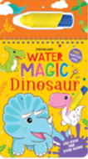
 | 1 | Water Magic Princess- With Water Pen - Use over and over again | "Water Magic Colouring is a set of four books on "Princess", "Dinosaur", "Farm Animal and "Unicorn". Each book of this set can come to colourful when painted with a special pen given with them. This pen can be easily used by just adding water. When the water dries, the colours disappear and the book pages can be painted again and again. Lovely kids are sure to enjoy these colouring books for a long time. | Drawing, Painting & Colouring | Dreamland Publications | Spiral Binding | 40 | 12 | 25 x15 x 1.2 cm | 250 | 2023 | 3 - 8 | 49030020 | 0% | 9788194298014 | 500.00
 | 2 | Water Magic Farm Animals- With Water Pen - Use over and over again | "Water Magic Colouring is a set of four books on "Princess", "Dinosaur", "Farm Animal and "Unicorn". Each book of this set can come to colourful when painted with a special pen given with them. This pen can be easily used by just adding water. When the water dries, the colours disappear and the book pages can be painted again and again. Lovely kids are sure to enjoy these colouring books for a long time. | Drawing, Painting & Colouring | Dreamland Publications | Spiral Binding | 40 | 12 | 25 x15 x 1.2 cm | 250 | 2023 | 3 - 8 | 49030020 | 0% | 9789389281996 | 500.00
 | 3 | Water Magic Dinosaur- With Water Pen - Use over and over again | "Water Magic Colouring is a set of four books on "Princess", "Dinosaur", "Farm Animal and "Unicorn". Each book of this set can come to colourful when painted with a special pen given with them. This pen can be easily used by just adding water. When the water dries, the colours disappear and the book pages can be painted again and again. Lovely kids are sure to enjoy these colouring books for a long time. | Drawing, Painting & Colouring | Dreamland Publications | Spiral Binding | 40 | 12 | 25 x15 x 1.2 cm | 250 | 2023 | 3 - 8 | 49030020 | 0% | 9789389281972 | 500.00
 | 4 | Water Magic Unicorn- With Water Pen - Use over and over again | "Water Magic Colouring is a set of four books on "Princess", "Dinosaur", "Farm Animal and "Unicorn". Each book of this set can come to colourful when painted with a special pen given with them. This pen can be easily used by just adding water. When the water dries, the colours disappear and the book pages can be painted again and again. Lovely kids are sure to enjoy these colouring books for a long time. | Drawing, Painting & Colouring | Dreamland Publications | Spiral Binding | 40 | 12 | 25 x15 x 1.2 cm | 250 | 2023 | 3 - 8 | 49030020 | 0% | 9788194298038 | 500.00

 | VELVET ART SET PACK
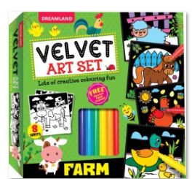 | 1 | Farm - Velvet Art Set With 10 Free Sketch Pens | Discover the magic of colouring with our new ‘Velvet Art Set’ for kids! This unique set comes with sketch pens and colouring sheets having fun and engaging illustrations on a special velvet paper that gives a soft and smooth feel. It is sure to spark creativity and inspire hours of fun with an added sensory experience. | Colouring Activity Pack | Dreamland Publications | Box set | 16 | 8 Sheet + Sketch Pens | 20 x 20 x 3.5 | 200 | 2023 | 3+ | 49030020 | 0% | 9788119091201 | 400.00
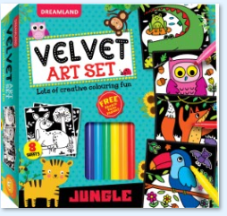 | 2 | Jungle - Velvet Art Set With 10 Free Sketch Pens | Discover the magic of colouring with our new ‘Velvet Art Set’ for kids! This unique set comes with sketch pens and colouring sheets having fun and engaging illustrations on a special velvet paper that gives a soft and smooth feel. It is sure to spark creativity and inspire hours of fun with an added sensory experience. | Colouring Activity Pack | Dreamland Publications | Box set | 16 | 8 Sheet + Sketch Pens | 20 x 20 x 3.5 | 200 | 2023 | 3+ | 49030020 | 0% | 9788119091195 | 400.00
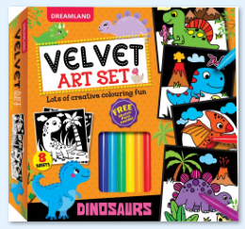 | 3 | Dinosaurs - Velvet Art Set With 10 Free Sketch Pens | Discover the magic of colouring with our new ‘Velvet Art Set’ for kids! This unique set comes with sketch pens and colouring sheets having fun and engaging illustrations on a special velvet paper that gives a soft and smooth feel. It is sure to spark creativity and inspire hours of fun with an added sensory experience. | Colouring Activity Pack | Dreamland Publications | Box set | 16 | 8 Sheet + Sketch Pens | 20 x 20 x 3.5 | 200 | 2023 | 3+ | 49030020 | 0% | 9788119091188 | 400.00
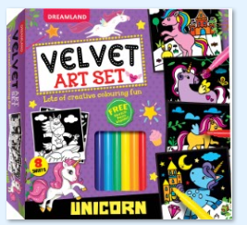 | 4 | Unicorn - Velvet Art Set With 10 Free Sketch Pens | Discover the magic of colouring with our new ‘Velvet Art Set’ for kids! This unique set comes with sketch pens and colouring sheets having fun and engaging illustrations on a special velvet paper that gives a soft and smooth feel. It is sure to spark creativity and inspire hours of fun with an added sensory experience. | Colouring Activity Pack | Dreamland Publications | Box set | 16 | 8 Sheet + Sketch Pens | 20 x 20 x 3.5 | 200 | 2023 | 3+ | 49030020 | 0% | 9788119091171 | 400.00
 | CUTE TODDLERS COLOURING AND FUN
 | 1 | Cute Toddlers Colouring Fun Book - 1 | Have fun with 'Cute Toddlers Colouring Books'! This set of four books with six easy-grip colour pencils is a must to boost early childhood development. Full of easy and entertaining images to colour,perfect for toddlers, these books make a great gift to unlock a world of creative fun. | Colouring Book | Dreamland Publications | Colouring Kit | 60 | 128 Pages + Colour Pencil | 15 x 22 x 1 cm | 300 | 2023 | 4+ | 49030020 | 0% | 9789395406765 | 350.00
 | 2 | Cute Toddlers Colouring Fun Book - 2 | Have fun with 'Cute Toddlers Colouring Books'! This set of four books with six easy-grip colour pencils is a must to boost early childhood development. Full of easy and entertaining images to colour,perfect for toddlers, these books make a great gift to unlock a world of creative fun. | Colouring Book | Dreamland Publications | Colouring Kit | 60 | 128 Pages + Colour Pencil | 15 x 22 x 1 cm | 300 | 2023 | 4+ | 49030020 | 0% | 9789395406734 | 350.00
 | 3 | Cute Toddlers Colouring Fun Book - 3 | Have fun with 'Cute Toddlers Colouring Books'! This set of four books with six easy-grip colour pencils is a must to boost early childhood development. Full of easy and entertaining images to colour,perfect for toddlers, these books make a great gift to unlock a world of creative fun. | Colouring Book | Dreamland Publications | Colouring Kit | 60 | 128 Pages + Colour Pencil | 15 x 22 x 1 cm | 300 | 2023 | 4+ | 49030020 | 0% | 9789395406741 | 350.00
 | 4 | Cute Toddlers Colouring Fun Book - 4 | Have fun with 'Cute Toddlers Colouring Books'! This set of four books with six easy-grip colour pencils is a must to boost early childhood development. Full of easy and entertaining images to colour,perfect for toddlers, these books make a great gift to unlock a world of creative fun. | Colouring Book | Dreamland Publications | Colouring Kit | 60 | 128 Pages + Colour Pencil | 15 x 22 x 1 cm | 300 | 2023 | 4+ | 49030020 | 0% | 9789395406758 | 350.00
 | FINGERPRINT ART BOOKS
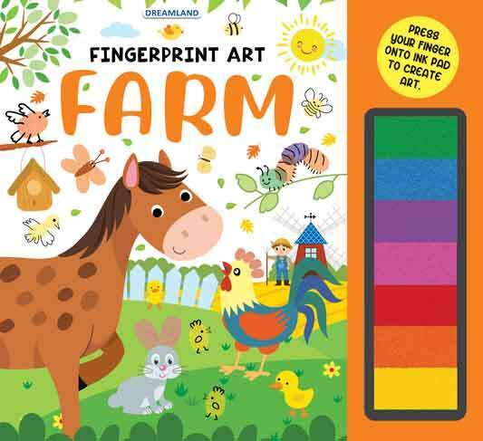
 | 1 | Fingerprint Art Books - Jungle | Fingerprint Art' is a wonderful series of four books each having colourful pictures and its own inkpad of seven vibrant colours to create delightful drawings using just your fingers and few simple drawings. Bursting with unique fingerprinting ideas each books of this series inspires creativity and fun | Colouring & Activity Book | Dreamland Publications | Paperback | 36 | 24 Pages + Colour Thumbpad | 28 x 30 x 3 cm | 150 | 2023 | 4+ | 49030020 | 0% | 9789395588225 | 400.00
 | 2 | Fingerprint Art Books - Garden | Fingerprint Art' is a wonderful series of four books each having colourful pictures and its own inkpad of seven vibrant colours to create delightful drawings using just your fingers and few simple drawings. Bursting with unique fingerprinting ideas each books of this series inspires creativity and fun | Colouring & Activity Book | Dreamland Publications | Paperback | 36 | 24 Pages + Colour Thumbpad | 28 x 30 x 3 cm | 150 | 2023 | 4+ | 49030020 | 0% | 9789395588218 | 400.00
 | 3 | Fingerprint Art Books - Farm | Fingerprint Art' is a wonderful series of four books each having colourful pictures and its own inkpad of seven vibrant colours to create delightful drawings using just your fingers and few simple drawings. Bursting with unique fingerprinting ideas each books of this series inspires creativity and fun | Colouring & Activity Book | Dreamland Publications | Paperback | 36 | 24 Pages + Colour Thumbpad | 28 x 30 x 3 cm | 150 | 2023 | 4+ | 49030020 | 0% | 9789395588201 | 400.00
 | 4 | Fingerprint Art Books - Ocean | Fingerprint Art' is a wonderful series of four books each having colourful pictures and its own inkpad of seven vibrant colours to create delightful drawings using just your fingers and few simple drawings. Bursting with unique fingerprinting ideas each books of this series inspires creativity and fun | Colouring & Activity Book | Dreamland Publications | Paperback | 36 | 24 Pages + Colour Thumbpad | 28 x 30 x 3 cm | 150 | 2023 | 4+ | 49030020 | 0% | 9789395588232 | 350.00
 | CLOTH BOOKS WITH SQUEAKER & CRINKLE PAPER
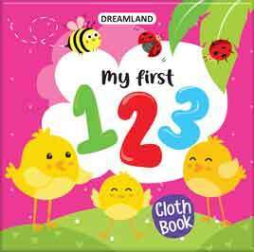
 | 1 | Cloth Book - My First ABC | Start your little one's learning journey with our delightful series ,'My First Cloth Book'. Crafted from safe and durable material, these lightweight, on-the-go-fun cloth books feature a crinkle and a squeaker sound. They are perfect for enhancing sensory awareness and developing learning skills. | Cloth Books | Dreamland Publications | Cloth Book | 25 | 10 | 15 x 15 x 2 cm | 50 | 2023 | 6 months and up | 49019900 | 5% | 9789394767164 | 499.00
 | 2 | Cloth Book - My First 123 | Start your little one's learning journey with our delightful series ,'My First Cloth Book'. Crafted from safe and durable material, these lightweight, on-the-go-fun cloth books feature a crinkle and a squeaker sound. They are perfect for enhancing sensory awareness and developing learning skills. | Cloth Books | Dreamland Publications | Cloth Book | 25 | 10 | 15 x 15 x 2 cm | 50 | 2023 | 6 months and up | 49019900 | 5% | 9789394767058 | 499.00
 | 4 | Cloth Book - My first Words | Start your little one's learning journey with our delightful series ,'My First Cloth Book'. Crafted from safe and durable material, these lightweight, on-the-go-fun cloth books feature a crinkle and a squeaker sound. They are perfect for enhancing sensory awareness and developing learning skills. | Cloth Books | Dreamland Publications | Cloth Book | 25 | 10 | 15 x 15 x 2 cm | 50 | 2023 | 6 months and up | 49019900 | 5% | 9789394767331 | 499.00
 | 3 | Cloth Book - My first Fruits and Vegetables | Start your little one's learning journey with our delightful series ,'My First Cloth Book'. Crafted from safe and durable material, these lightweight, on-the-go-fun cloth books feature a crinkle and a squeaker sound. They are perfect for enhancing sensory awareness and developing learning skills. | Cloth Books | Dreamland Publications | Cloth Book | 25 | 10 | 15 x 15 x 2 cm | 50 | 2023 | 6 months and up | 49019900 | 5% | 9789394767300 | 499.00
 | SCISSORS SKILLS
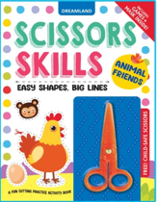
 | 1 | Ultimate Vehicles Scissors Skills Activity Book for Kids Age 4 - 7 years | With Child- Safe Scissors, Games and Mask | Introducing the exciting Scissors Skills Book Ultimate Vehicles! Packed with fun cutting activities, games and a mask, this book includes child-safe scissors. This book is sure to captivate and entertain budding learners while developing their fine motor skills. | Interactive & Activity | Dreamland Publications | Paperback | 40 | 40 | 22 x 22 x 0.6 cm | 250 | 2024 | 4-7 | 49019900 | 5% | 9789358060478 | 300.00
 | 2 | Daring Dino Scissors Skills Activity Book for Kids Age 4 - 7 years | With Child- Safe Scissors, Games and Mask | Introducing the exciting Scissors Skills Book Daring Dino! Packed with fun cutting activities, games and a mask, this book includes child-safe scissors. This book is sure to captivate and entertain budding learners while developing their fine motor skills. | Interactive & Activity | Dreamland Publications | Paperback | 40 | 40 | 22 x 22 x 0.6 cm | 250 | 2024 | 4-7 | 49019900 | 5% | 9789358060331 | 300.00
 | 3 | Tasty Foods Scissors Skills Activity Book for Kids Age 4 - 7 years | With Child- Safe Scissors, Games and Mask | Introducing the exciting Scissors Skills Book Tasty Foods! Packed with fun cutting activities, games and a mask, this book includes child-safe scissors. This book is sure to captivate and entertain budding learners while developing their fine motor skills. | Interactive & Activity | Dreamland Publications | Paperback | 40 | 40 | 22 x 22 x 0.6 cm | 250 | 2024 | 4-7 | 49019900 | 5% | 9789358060393 | 300.00
 | 4 | Animal Friends Scissors Skills Activity Book for Kids Age 4 - 7 years | With Child- Safe Scissors, Games and Mask | Introducing the exciting Scissors Skills Book Animals Friends! Packed with fun cutting activities, games and a mask, this book includes child-safe scissors. This book is sure to captivate and entertain budding learners while developing their fine motor skills. | Interactive & Activity | Dreamland Publications | Paperback | 40 | 40 | 22 x 22 x 0.6 cm | 250 | 2024 | 4-7 | 49019900 | 5% | 9789358060379 | 300.00

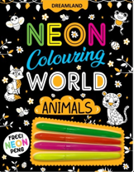
 | NEON COLOURING BOOKS
 | 1 | Dinosaurs Neon Colouring World Book for Kids Age 4 - 7 years with Neon Pens | Travel Back in Time with Neon Colouring World: Dinosaurs! Bring enchanting dinosaurs to life with vibrant neon colours in this exciting colouring book. Neon Colouring World: Dinosaurs invites young artists to explore the prehistoric world through creative colouring. Perfect for Budding Artists and Creative Minds Develops Fine Motor Skills and Creativity Beautiful and Engaging Illustrations Unique Themes Free Neon Pens Perfect for Travel Ideal for Home or Travel Entertainment Whether at home, on a trip, or during a holiday, Neon Colouring World: Dinosaurs offers endless opportunities for creative expression. Let your child's imagination roar as they bring enchanting dinosaurs to life with vibrant neon colours! | Colouring Book | Dreamland Publications | Paperback | 26 | 48 | 22 x 22 x 0.6 cm | 250 | 2024 | 4-7 | 49030020 | 0% | 9789358060164 | 300.00
 | 2 | Princess Neon Colouring World Book for Kids Age 4 - 7 years with Neon Pens | Enter a Magical World with Neon Colouring World: Princess! Bring majestic princesses to life with vibrant neon colours in this enchanting colouring book. Neon Colouring World: Princess invites young artists to explore a world of royalty and magic through creative colouring. Perfect for Budding Artists and Creative Minds Develops Fine Motor Skills and Creativity Beautiful and Engaging Illustrations Unique Themes Free Neon Pens Perfect for Travel Ideal for Home or Travel Entertainment Whether at home or on a royal journey, Neon Colouring World: Princess provides endless opportunities for creative fun. Let your child’s imagination soar as they bring the enchanting world of princesses to life with vibrant neon colours! | Colouring Book | Dreamland Publications | Paperback | 26 | 48 | 22 x 22 x 0.6 cm | 250 | 2024 | 4-7 | 49030020 | 0% | 9789358060201 | 300.00
 | 3 | Vehicles Neon Colouring World Book for Kids Age 4 - 7 years with Neon Pens | Rev Up Your Creativity with Neon Colouring World: Vehicles! Explore the world of speedy vehicles with vibrant neon colours in this exciting colouring book. Neon Colouring World: Vehicles invites young artists to bring cars, trucks, and other vehicles to life with creative colouring. Perfect for Budding Artists and Creative Minds Develops Fine Motor Skills and Creativity Beautiful and Engaging Illustrations Unique Themes Free Neon Pens Perfect for Travel Ideal for Home or Travel Entertainment Whether at home, on a trip, or during a holiday, Neon Colouring World: Vehicles offers endless opportunities for creative expression. Let your child's imagination race as they bring exciting vehicles to life with vibrant neon colours! | Colouring Book | Dreamland Publications | Paperback | 26 | 48 | 22 x 22 x 0.6 cm | 250 | 2024 | 4-7 | 49030020 | 0% | 9789358060218 | 300.00
 | 4 | Animals Neon Colouring World Book for Kids Age 4 - 7 years with Neon Pens | Unleash Your Inner Artist with Neon Colouring World: Animals! Bring adorable animals to life with vibrant neon colours in this enchanting colouring book. Neon Colouring World: Animals invites young artists to explore the animal kingdom through creative colouring. Perfect for Budding Artists and Creative Minds Develops Fine Motor Skills and Creativity Beautiful and Engaging Illustrations Unique Themes Free Neon Pens Perfect for Travel Ideal for Home or Travel Entertainment Whether at home, on a trip, or during a holiday, Neon Colouring World: Animals offers endless opportunities for creative expression. Let your child's imagination run wild as they bring adorable animals to life with vibrant neon colours! | Colouring Book | Dreamland Publications | Paperback | 26 | 48 | 22 x 22 x 0.6 cm | 250 | 2024 | 4-7 | 49030020 | 0% | 9789358060140 | 300.00

